Data
OPAL - Iceland |  | BOAT STATS |  |  |  |  |  |  |  | TIME AND DISTANCE |  |  |  |  |  |  |  | FRAGMENT |  | PELLET |  | LINE |  | THIN FILM |  | FOAM |  | FIBRES |  | TOTAL COUNT |  |  | Pr km2 sea surface
Sample # | Date | Sea state | Current dir | Current speed (knots) | avg boat speed (knots) | Course | Wind Direction | Wind Speed (beaufort) | High/low speed trawl | Start time | start lattitude | start Longitude | Stop time | Stop lattitude | stop longitude | total trawl time | total trawl distance (meters) | Count Density <5mm | Count Density >5mm | Count Density <5mm | Count Density >5mm | Count Density <5mm | Count Density >5mm | Count Density <5mm | Count Density >5mm | Count Density <5mm | Count Density >5mm | Count Density <5mm | Count Density >5mm | Count Density <5mm | Count Density >5mm | Total >1mm | Pr km2 sea surface
1 Fohnfjord | 2019-08-04 | 2 |  | 6 | 6 | 180 |  | 3 | H |  | 70°27'37.55"N | 27° 1'16.12"O |  | 70º26'34.52''N | 27º18'22.75'' | 1h | 6nm | No plastics found, very mudy
2 Out Rypefjord | 2019-08-10 | 2 |  | 6 | 6 | 40 |  | 3 | H | 12:00:00 | 70°54'54.44"N | 27°35'3.58"W | 13:00:00 | 70º 54'36.26''N | 27º16'46.24''W | 1h | 6nm | No plastics found
3 Hurry Inlet | 2019-08-20 | 3 |  | 6 | 6 | 350 | N | 4 | H | 19:36:00 | 70°37'27.56"N | 22°33'47.58"O | 20:36:00 | 70º43'31.46N | 22º35'39.28 W | 1h | 6nm | No plastics found
4 Near ittoqqortoormiit (to Kape Tobin) | 2019-09-12 | 2 |  | 4.4 | 4.4 | 180 |  | 0 | H | 12:24:00 | 70° 28,6 N | 021 55,0 W | 13:24:00 | 70 25,3 N | 022 00,0 W | 1h | 4,4 nm |  |  | 0 | 0 | 0 | 0 | 1 | 1 | 0 | 0 | 12 | 1 | 13 | 2

4) Fibres look like like from a sweater. It could be some contamination. However the films were for sure frmo the sea.
The fibres > 5mm were a boll of whool

 |  |  |  |  |  |  |  |  | Low=0,34m

km2 calculation
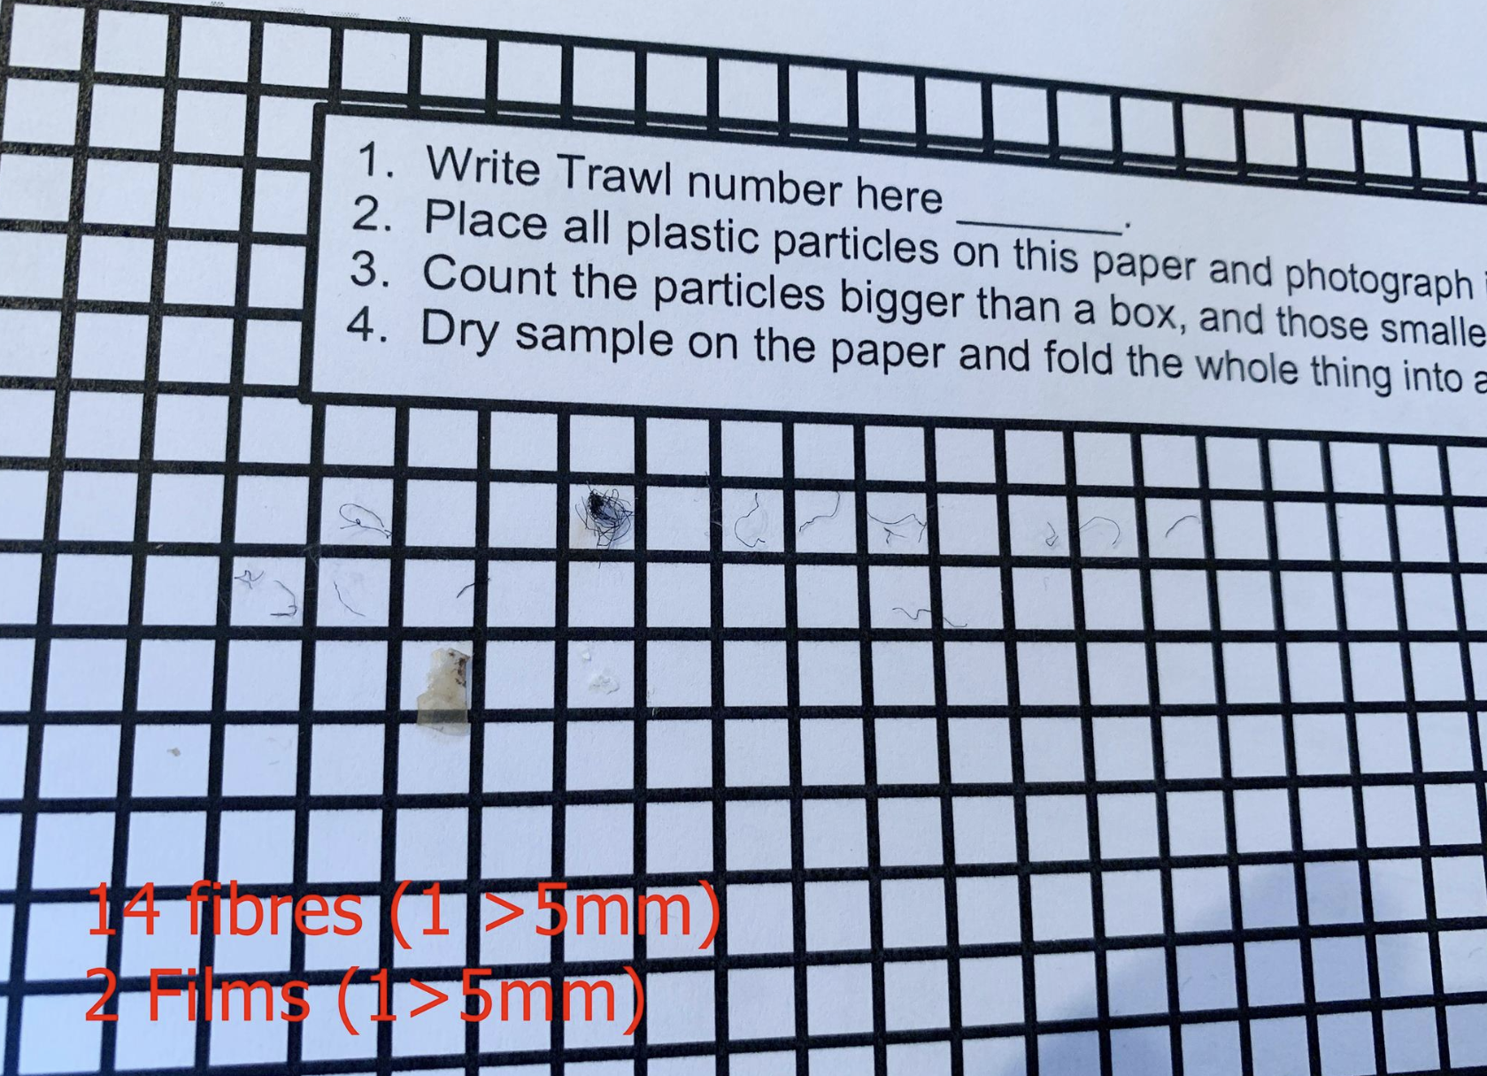
Sample # | Boat Speed (Knots) | Trawl time | Nautic miles | meters | trawl (0,34) | m2 | <5mm | >5mm | Total | Plastic pr km2 sea surface | NOTES
1 | 6 | 1h | 6 | 11112 | 0.095 | 1056 | 0 | 0 | 0 | 0
2 | 6 | 1h | 6 | 11112 | 0.095 | 1056 | 0 | 0 | 0 | 0
3 | 6 | 1h | 6 | 11112 | 0.095 | 1056 | 0 | 0 | 0 | 0
4 | 4.4 | 1h | 4.4 | 8149 | 0.095 | 774 | 13 | 2 | 15 | 19376 | Photo embedded is sample 4

